Home
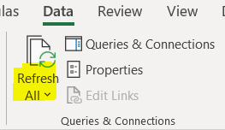
Step 1: Select Folder where your ESKOM LPU PDF bills are stored
FilePath
C:\Users\JonathanSwart\Urban Earth\SEA Eskom Data Reader Tool - Documents\06 Tool\2026 Updates\Data\Testing

Step 2: Refresh the tool
Details
Select the Data Tab in the Ribbon and Click Refresh all twice (once to import the data and the second time to update the tables)

Setup
Guidance for Using the ESKOM LPU PDF Bill Import Tool
Purpose of the Tool:
This tool is designed to import data from ESKOM PDF bills directly into Excel. It automates the extraction of key information from the bills and organizes it into a table for further analysis.
NB: This tool is only intended to import LPU Eskom PDF bills.

Steps to Set Up the Tool:
Prepare Your Folder
1. Create a Folder:
On your computer, create a folder where you will save all the ESKOM PDF bills.
Ensure this folder is dedicated solely to storing the PDF files for ease of management.
2. Copy the Folder Path:
Once you have created the folder, right-click on it and select "Copy as path".
This will copy the file path (location) of your folder to the clipboard, which will be needed in the next step.
Paste the Folder Path in Excel
1. Navigate to the Home Tab:
In the tool, go to the "Home" tab.
2. Paste the File Path:
Under Step 1 on the Home tab, paste the folder path where your PDFs are saved.
Refresh to Import Data
1. Refresh the Tool:
Once the folder path is set, refresh the tool to automatically import the data from the saved PDFs.
You can refresh the tool by pressing Ctrl + Alt + F5 or selecting the refresh button in Excel, which you can find in the Ribbon under the Data tab.

Additional Notes:
Ensure that all the PDF files saved in the folder are correctly formatted ESKOM bills.
The bill can only import data from the original bill, it cannot process scanned copies.
The tool may take a few moments to process depending on the number of PDFs you have saved. The tool is still processing the data if it says "Running background query" in the bottow left corner

The tool is designed for LPU accounts. It cannot process SPU accounts.

Error Importing Data:

If you encounter an error while importing data, it may be caused by Excel’s privacy level settings. To resolve this issue, follow these steps to change the privacy settings in Power Query:

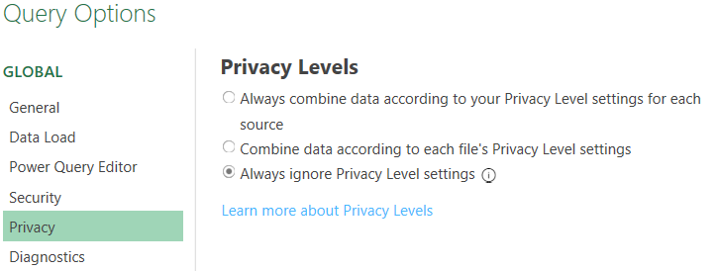
Step 1: Open Power Query Editor

1. In Excel, go to the Data tab.
2. Select Get Data, and then click Launch Power Query Editor.

Step 2: Access Query Options

1. In the Power Query Editor, go to the top menu and click File.
2. From the dropdown menu, select Options and Settings.
3. Then, click on Query Options.

Step 3: Change Privacy Settings

1. In the Query Options window, select Privacy from the list on the left.
2. Under the Privacy Level section, select Always ignore Privacy Level settings.
3. Click OK to save the changes and close the window.

Step 4: Refresh the Data

1. After changing the privacy settings, return to your workbook and refresh the data by pressing Ctrl + Alt + F5 or using the refresh button.
This should resolve any privacy-related issues when importing data from the PDF files.

NB: It is not possible to change these Privacy setting on an Apple Mac at this time
There is no solution for the privacy level setting change on a Mac. Please copy this file to a Windows-based machine.

Pivot
Filters | Eskom Billing Summary
Eskom Billing Summary

 |  | Amount | Column Labels
 |  |  | Ancillary Service Charge | Grand Total
 |  | Date | kWh
 |  | 2022
 |  | 7 | 3232.59 | 3232.59
 |  | 8 | 3836.6 | 3836.6
 |  | 9 | 3665.74 | 3665.74
 |  | 10 | 2969.61 | 2969.61
 |  | 11 | 3183.99 | 3183.99
 |  | 12 | 2455.46 | 2455.46
 |  | 2023
 |  | 1 | 2874.89 | 2874.89
 |  | 2 | 2949.49 | 2949.49
 |  | 3 | 2526.1 | 2526.1
 |  | 4 | 2958.4 | 2958.4
 |  | 5 | 2795.26 | 2795.26
 |  | 6 | 3394.51 | 3394.51
 |  | Grand Total | 36842.64 | 36842.64

